DASHBOARD
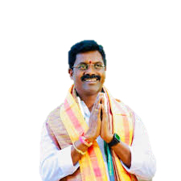
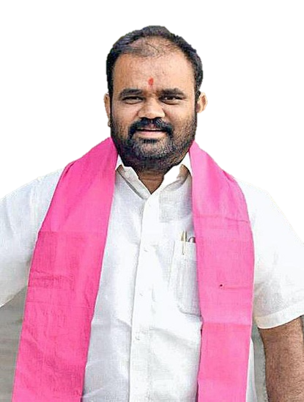
2023 TELENGANA ASSEMBLY ELECTIONS NALGONDA

PARTY WISE VOTE SHARE
 | Total
AIFB | 27096
BJP | 7828
BRS | 53073
CPI(M) | 1439
INC | 107405
Independent | 977
NOTA | 901
CANDIDATE WISE PERFORMANCE
 | AIFB | BJP | BRS | CPI(M) | INC | Independent | NOTA
Gandikota Venkat Laxman |  |  |  |  |  | 977
Kancharla Bhupal Reddy |  |  | 53073
Komatireddy Venkat Reddy |  |  |  |  | 107405
Madagani Srinivas Goud |  | 7828
Mudireddy Sudhakar Reddy |  |  |  | 1439
None of the Above |  |  |  |  |  |  | 901
Pilli Rama Raju Yadav | 27096

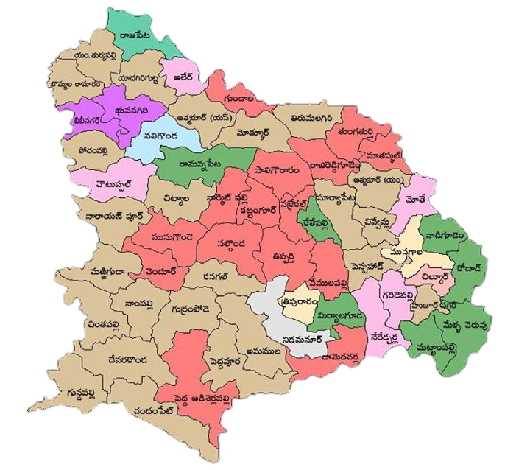

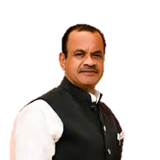
TOP 3 CANDIDATES
 | Total
Kancharla Bhupal Reddy | 53073
Komatireddy Venkat Reddy | 107405
Pilli Rama Raju Yadav | 27096
 | Total
AIFB | 95.45%
BJP | 27.57%
BRS | 186.95%
CPI(M) | 5.07%
INC | 378.34%
Independent | 3.44%
NOTA | 3.17%

